TOATAL
Alkalmazott szűrők: TRANSPORT_MODE egyezik ezzel: Sea Reference type egyezik ezzel: Highlighted references only „QUERY_List_Carrier_name_EDIQ_Act”[LSP] egyezik ezzel: Maersk Belefoglalva (1) 2026 (CalendarYear) + 23 (CalendarWeek) SHIPMENT_CANCELLED egyezik ezzel: (Üres) Previous and next 1 year egyezik ezzel: Y KPI_Category nem egyezik ezzel: Mapping

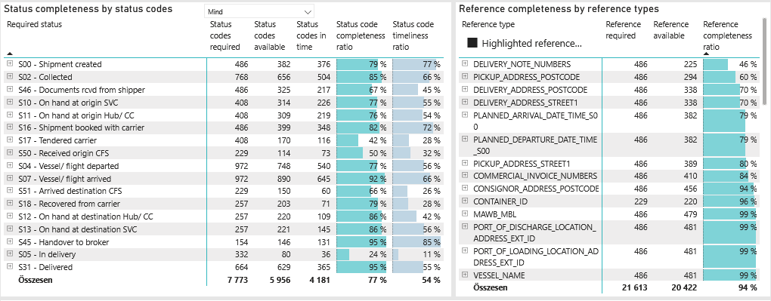
Required status | Status type | „QUERY_List_Carrier_EDIQ_Act”[LSP] | Status codes required | Status codes available | Status codes in time | Status code completeness ratio | Status code timeliness ratio
S00 - Shipment created | Actual | Maersk | 486 | 382 | 376 | 79 % | 77 %
S02 - Collected | Estimated | Maersk | 384 | 343 | 297 | 89 % | 77 %
S02 - Collected | Actual | Maersk | 384 | 313 | 207 | 82 % | 54 %
S46 - Documents rcvd from shipper | Actual | Maersk | 486 | 325 | 217 | 67 % | 45 %
S10 - On hand at origin SVC | Actual | Maersk | 408 | 314 | 226 | 77 % | 55 %
S11 - On hand at origin Hub/ CC | Actual | Maersk | 408 | 309 | 219 | 76 % | 54 %
S16 - Shipment booked with carrier | Actual | Maersk | 486 | 399 | 348 | 82 % | 72 %
S17 - Tendered carrier | Actual | Maersk | 408 | 170 | 116 | 42 % | 28 %
S50 - Received origin CFS | Actual | Maersk | 229 | 114 | 73 | 50 % | 32 %
S04 - Vessel/ flight departed | Estimated | Maersk | 486 | 466 | 366 | 96 % | 75 %
S04 - Vessel/ flight departed | Actual | Maersk | 486 | 282 | 174 | 58 % | 36 %
S07 - Vessel/ flight arrived | Estimated | Maersk | 486 | 478 | 366 | 98 % | 75 %
S07 - Vessel/ flight arrived | Actual | Maersk | 486 | 412 | 279 | 85 % | 57 %
S51 - Arrived destination CFS | Actual | Maersk | 229 | 150 | 60 | 66 % | 26 %
S18 - Recovered from carrier | Actual | Maersk | 257 | 203 | 71 | 79 % | 28 %
S12 - On hand at destination Hub/ CC | Actual | Maersk | 257 | 220 | 109 | 86 % | 42 %
S13 - On hand at destination SVC | Actual | Maersk | 257 | 221 | 145 | 86 % | 56 %
S45 - Handover to broker | Actual | Maersk | 154 | 146 | 131 | 95 % | 85 %
S05 - In delivery | Actual | Maersk | 332 | 80 | 36 | 24 % | 11 %
S31 - Delivered | Estimated | Maersk | 332 | 329 | 213 | 99 % | 64 %
S31 - Delivered | Actual | Maersk | 332 | 300 | 152 | 90 % | 46 %

FCL
Alkalmazott szűrők: TRANSPORT_MODE egyezik ezzel: Sea TRANSPORT_SERVICE_PRIORITY egyezik ezzel: FCL/FCL/FCL Reference type egyezik ezzel: Highlighted references only „QUERY_List_Carrier_name_EDIQ_Act”[LSP] egyezik ezzel: Maersk Belefoglalva (1) 2026 (CalendarYear) + 23 (CalendarWeek) SHIPMENT_CANCELLED egyezik ezzel: (Üres) Previous and next 1 year egyezik ezzel: Y KPI_Category nem egyezik ezzel: Mapping

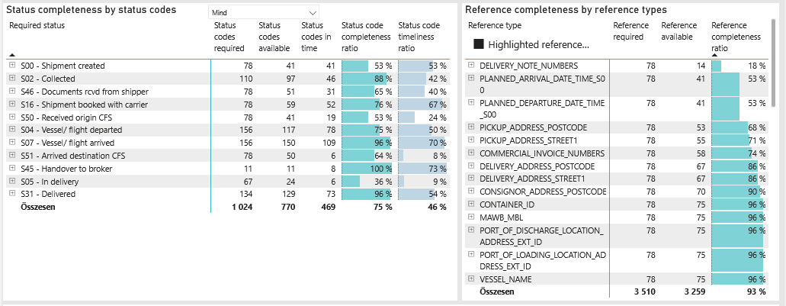
Required status | Status type | „QUERY_List_Carrier_EDIQ_Act”[LSP] | Status codes required | Status codes available | Status codes in time | Status code completeness ratio | Status code timeliness ratio
S00 - Shipment created | Actual | Maersk | 78 | 41 | 41 | 53 % | 53 %
S02 - Collected | Estimated | Maersk | 55 | 52 | 26 | 95 % | 47 %
S02 - Collected | Actual | Maersk | 55 | 45 | 20 | 82 % | 36 %
S46 - Documents rcvd from shipper | Actual | Maersk | 78 | 51 | 31 | 65 % | 40 %
S16 - Shipment booked with carrier | Actual | Maersk | 78 | 59 | 52 | 76 % | 67 %
S50 - Received origin CFS | Actual | Maersk | 78 | 41 | 19 | 53 % | 24 %
S04 - Vessel/ flight departed | Estimated | Maersk | 78 | 74 | 58 | 95 % | 74 %
S04 - Vessel/ flight departed | Actual | Maersk | 78 | 43 | 20 | 55 % | 26 %
S07 - Vessel/ flight arrived | Estimated | Maersk | 78 | 75 | 58 | 96 % | 74 %
S07 - Vessel/ flight arrived | Actual | Maersk | 78 | 75 | 51 | 96 % | 65 %
S51 - Arrived destination CFS | Actual | Maersk | 78 | 50 | 6 | 64 % | 8 %
S45 - Handover to broker | Actual | Maersk | 11 | 11 | 8 | 100 % | 73 %
S05 - In delivery | Actual | Maersk | 67 | 24 | 6 | 36 % | 9 %
S31 - Delivered | Estimated | Maersk | 67 | 67 | 39 | 100 % | 58 %
S31 - Delivered | Actual | Maersk | 67 | 62 | 34 | 93 % | 51 %

BCO
Alkalmazott szűrők: TRANSPORT_MODE egyezik ezzel: Sea TRANSPORT_SERVICE_PRIORITY egyezik ezzel: LCL/FCL/FCL Reference type egyezik ezzel: Highlighted references only „QUERY_List_Carrier_name_EDIQ_Act”[LSP] egyezik ezzel: Maersk Belefoglalva (1) 2026 (CalendarYear) + 23 (CalendarWeek) SHIPMENT_CANCELLED egyezik ezzel: (Üres) Previous and next 1 year egyezik ezzel: Y KPI_Category nem egyezik ezzel: Mapping

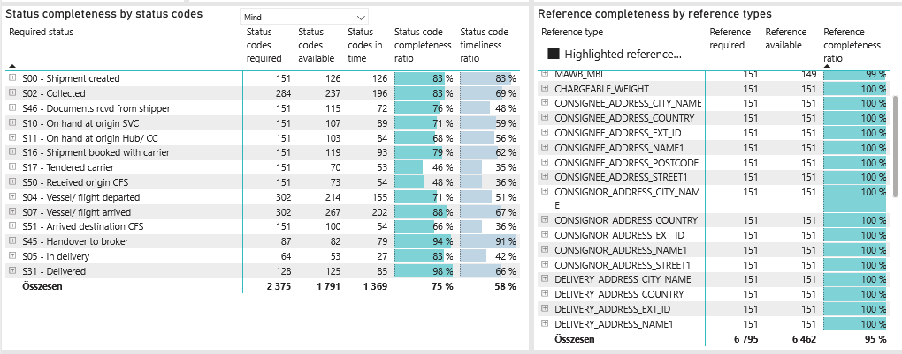
Required status | Status type | „QUERY_List_Carrier_EDIQ_Act”[LSP] | Status codes required | Status codes available | Status codes in time | Status code completeness ratio | Status code timeliness ratio
S00 - Shipment created | Actual | Maersk | 151 | 126 | 126 | 83 % | 83 %
S02 - Collected | Estimated | Maersk | 142 | 123 | 118 | 87 % | 83 %
S02 - Collected | Actual | Maersk | 142 | 114 | 78 | 80 % | 55 %
S46 - Documents rcvd from shipper | Actual | Maersk | 151 | 115 | 72 | 76 % | 48 %
S10 - On hand at origin SVC | Actual | Maersk | 151 | 107 | 89 | 71 % | 59 %
S11 - On hand at origin Hub/ CC | Actual | Maersk | 151 | 103 | 84 | 68 % | 56 %
S16 - Shipment booked with carrier | Actual | Maersk | 151 | 119 | 93 | 79 % | 62 %
S17 - Tendered carrier | Actual | Maersk | 151 | 70 | 53 | 46 % | 35 %
S50 - Received origin CFS | Actual | Maersk | 151 | 73 | 54 | 48 % | 36 %
S04 - Vessel/ flight departed | Estimated | Maersk | 151 | 145 | 115 | 96 % | 76 %
S04 - Vessel/ flight departed | Actual | Maersk | 151 | 69 | 40 | 46 % | 26 %
S07 - Vessel/ flight arrived | Estimated | Maersk | 151 | 151 | 114 | 100 % | 75 %
S07 - Vessel/ flight arrived | Actual | Maersk | 151 | 116 | 88 | 77 % | 58 %
S51 - Arrived destination CFS | Actual | Maersk | 151 | 100 | 54 | 66 % | 36 %
S45 - Handover to broker | Actual | Maersk | 87 | 82 | 79 | 94 % | 91 %
S05 - In delivery | Actual | Maersk | 64 | 53 | 27 | 83 % | 42 %
S31 - Delivered | Estimated | Maersk | 64 | 64 | 42 | 100 % | 66 %
S31 - Delivered | Actual | Maersk | 64 | 61 | 43 | 95 % | 67 %

LCL
Alkalmazott szűrők: TRANSPORT_MODE egyezik ezzel: Sea TRANSPORT_SERVICE_PRIORITY egyezik ezzel: LCL/LCL/LCL Reference type egyezik ezzel: Highlighted references only „QUERY_List_Carrier_name_EDIQ_Act”[LSP] egyezik ezzel: Maersk Belefoglalva (1) 2026 (CalendarYear) + 23 (CalendarWeek) SHIPMENT_CANCELLED egyezik ezzel: (Üres) Previous and next 1 year egyezik ezzel: Y KPI_Category nem egyezik ezzel: Mapping

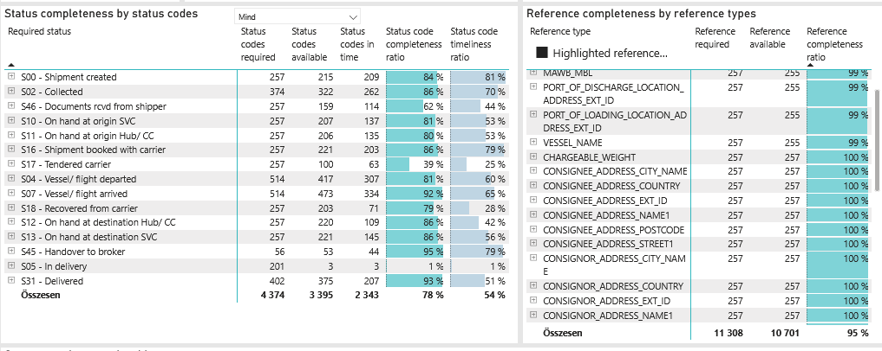
Required status | Status type | „QUERY_List_Carrier_EDIQ_Act”[LSP] | Status codes required | Status codes available | Status codes in time | Status code completeness ratio | Status code timeliness ratio
S00 - Shipment created | Actual | Maersk | 257 | 215 | 209 | 84 % | 81 %
S02 - Collected | Estimated | Maersk | 187 | 168 | 153 | 90 % | 82 %
S02 - Collected | Actual | Maersk | 187 | 154 | 109 | 82 % | 58 %
S46 - Documents rcvd from shipper | Actual | Maersk | 257 | 159 | 114 | 62 % | 44 %
S10 - On hand at origin SVC | Actual | Maersk | 257 | 207 | 137 | 81 % | 53 %
S11 - On hand at origin Hub/ CC | Actual | Maersk | 257 | 206 | 135 | 80 % | 53 %
S16 - Shipment booked with carrier | Actual | Maersk | 257 | 221 | 203 | 86 % | 79 %
S17 - Tendered carrier | Actual | Maersk | 257 | 100 | 63 | 39 % | 25 %
S04 - Vessel/ flight departed | Estimated | Maersk | 257 | 247 | 193 | 96 % | 75 %
S04 - Vessel/ flight departed | Actual | Maersk | 257 | 170 | 114 | 66 % | 44 %
S07 - Vessel/ flight arrived | Estimated | Maersk | 257 | 252 | 194 | 98 % | 75 %
S07 - Vessel/ flight arrived | Actual | Maersk | 257 | 221 | 140 | 86 % | 54 %
S18 - Recovered from carrier | Actual | Maersk | 257 | 203 | 71 | 79 % | 28 %
S12 - On hand at destination Hub/ CC | Actual | Maersk | 257 | 220 | 109 | 86 % | 42 %
S13 - On hand at destination SVC | Actual | Maersk | 257 | 221 | 145 | 86 % | 56 %
S45 - Handover to broker | Actual | Maersk | 56 | 53 | 44 | 95 % | 79 %
S05 - In delivery | Actual | Maersk | 201 | 3 | 3 | 1 % | 1 %
S31 - Delivered | Estimated | Maersk | 201 | 198 | 132 | 99 % | 66 %
S31 - Delivered | Actual | Maersk | 201 | 177 | 75 | 88 % | 37 %

